Sheet 1
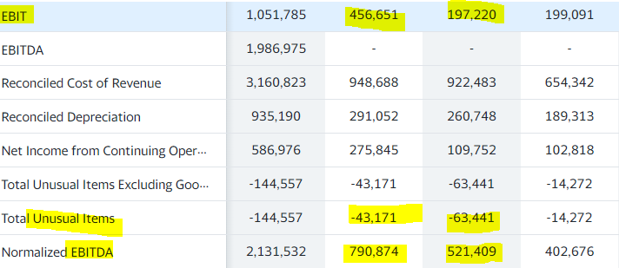
symbol | company name | last price/price intraday | change | change % | day low | day high | 52 weeks low | 52 weeks high | 50 days moving average of share price | 200 days moving average of share price | target low price | target median price | target mean price | target high price | volume | average daily volume (10days) | average volume (3 months) | market capitalisation | enterprise value | trailing price to earning (PE) | forward PE | PEG ratio | price to book value | price to revenue | EBITDA | earning per share (EPS) (TTM or trailing) | EPS est. next year or forward EPS | dividend yield | trailing annual dividend yield | forward annual dividend yield | ex-dividend date | current year revenue | previous year revenue | revenue growth (yearly) | revenue per share | current year net income (applicable to common shares) | previous year net income | current year EBIT | previous year EBIT | current year extraordinary items | previous year extraordinary items | current quarter revenue | previous quarter revenue | revenue growth (quarter) | current quarter net income (applicable to common shares) | previous quarter net income | current quarter EBIT | previous quarter EBIT | current quarter extraordinary items | previous quarter extraordinary items | cash | debt (short term + long term) | book value | intangible assets | goodwill | cash per share | gross margin | EBITDA margin | profit margin | % held by insiders (heldPercentInsiders) | % held by Instititutions (heldPercentInstitutions) | % of short vs float (shortpercentoffloat) | exchange | industry | sector | financial currency
AEM | Agnico Eagle Mines Limited | 42.99 | 0.98 | 2.33% | 41.4712 | 43.45 | 38.02 | 67.14 | 48.23 | 53.19 | 76.9 | 85.9 | 87.3 | 104.6 | 4,100,579 | 5,701,840 | 58 | 19,593,811,968 | 20,009,119,744 | 24.71 | 15.19 | 29.22 | 1.19 |  | 2,143,284,992 | 1.74 | 2.83 | 3.7% | 3.6% |  | 1661904000 | 3,823,878,000 | 3,138,113,000 | 63.6% | 14.516 | 543,009,000 | 511,607,000 | 1,045,011,000 | 953,411,000 |  |  | 3,823,878,000 | 3,138,113,000 |  | 543,009,000 | 511,607,000 | 1,045,011,000 | 953,411,000 | 407,792,000 |  | 1,006,854,976 | 1,575,686,016 | 35.982 |  |  | 2.227 | 0.54248 | 0.44516 |  | 0.11% | 64.57% | 1.63% | NYQ | Gold | Basic Materials | USD
BIIB | Biogen Inc. | 215.06 | 0.86 | 0.40% | 211.66 | 216.66 | 187.16 | 351.86 | 206.44 | 223.09 | 183.0 | 227.5 | 234.3 | 300.0 | 1,152,012 | 1,064,840 | 8.361M | 31,207,999,488 | 33,952,411,648 | 15.31 | 13.64 | -1.9 | 2.63 |  | 3,500,199,936 | 14.05 | 15.77 |  | 0.0% |  |  | 10,981,700,000 | 13,444,600,000 | -6.7% | 72.362 | 1,556,100,000 | 4,000,600,000 | 3,435,700,000 | 4,655,300,000 |  |  | 10,981,700,000 | 13,444,600,000 |  | 1,556,100,000 | 4,000,600,000 | 3,435,700,000 | 4,655,300,000 | 5,761,100,000 |  | 4,797,899,776 | 7,551,399,936 | 81.767 | 2221300000 |  | 33.063 | 0.77338 | 0.32916 |  | 0.64% | 87.25% | 1.63% | NMS | Drug Manufacturers—General | Healthcare | USD
CEG | CONSTELLATION ENERGY CORPORATI | 66.1 | 1.51 | 2.34% | 63.69 | 66.58 | 38 | 68.68 | 58.99 | 55.38 | 54.0 | 69.0 | 68.3 | 92.0 | 3,895,292 | 2,878,700 | 55,077 | 21,594,804,224 | 26,195,800,064 | 30.46 | 15.93 |  | 1.94 |  | 4,613,000,192 | 2.17 | 4.15 | 0.9% | 0.2% |  | 1660262400 | 19,649,000,000 | 17,603,000,000 | 0.6% | 60.242 | -205,000,000 | 589,000,000 | 1,220,000,000 | 1,625,000,000 |  |  | 19,649,000,000 | 17,603,000,000 |  | -205,000,000 | 589,000,000 | 1,220,000,000 | 1,625,000,000 |  |  | 1,618,000,000 | 5,818,999,808 | 33.992 | 202000000 |  | 4.953 | 0.18459 | 0.23438999 |  | 0.24% | 80.93% | 1.58% | NMS | Utilities—Renewable | Utilities | USD
CI | CIGNA CORP | 275.36 | 2.14 | 0.78% | 272.415 | 277.72 | 191.74 | 282.33 | 264.49 | 239.58 | 230.0 | 298.0 | 294.5 | 330.0 | 1,836,899 | 1,650,680 | 4.464M | 87,364,288,512 | 116,033,421,312 | 17.09 | 10.92 | 1.05 | 1.90 |  | 10,101,999,616 | 16.11 | 25.22 | 1.6% | 1.5% |  | 1662422400 | 174,274,000,000 | 160,550,000,000 | 6.6% | 535.481 | 5,365,000,000 | 8,458,000,000 | 8,352,000,000 | 8,714,000,000 |  |  | 174,274,000,000 | 160,550,000,000 |  | 5,365,000,000 | 8,458,000,000 | 8,352,000,000 | 8,714,000,000 | 45,811,000,000 |  | 5,154,999,808 | 33,746,999,296 | 144.609 | 34779000000 |  | 16.248 | 0.13013 | 0.05708 |  | 1.53% | 90.96% | 2.50% | NYQ | Healthcare Plans | Healthcare | USD
DG | Dollar General Corporation | 248.43 | 3.28 | 1.34% | 243.26 | 248.6416 | 183.25 | 262.21 | 235.11 | 225.33 | 199.0 | 260.0 | 254.6 | 285.0 | 1,232,992 | 1,436,070 | 5.959M | 56,392,859,648 | 71,069,573,120 | 25.45 | 19.73 | 1.92 | 9.46 |  | 3,720,314,880 | 9.76 | 12.59 | 0.9% | 0.7% |  | 1656633600 | 34,220,449,000 | 33,746,839,000 | 4.2% | 149.177 | 2,399,232,000 | 2,655,050,000 | 3,223,275,000 | 3,557,465,000 |  |  | 34,220,449,000 | 33,746,839,000 |  | 2,399,232,000 | 2,655,050,000 | 3,223,275,000 | 3,557,465,000 | 4,338,589,000 |  | 335,612,992 | 15,012,314,112 | 26.263 | 1199750000 |  | 1.478 | 0.31228 | 0.107609995 |  | 0.32% | 97.27% | 1.81% | NYQ | Discount Stores | Consumer Defensive | USD
DHI | D.R. Horton | 78.03 | -0.28 | -0.36% | 76.25 | 78.39 | 59.25 | 110.45 | 71.07 | 83.58 | 70.0 | 95.0 | 95.3 | 120.0 | 3,069,760 | 3,926,920 | 2.986M | 27,113,940,992 | 32,037,580,800 | 5.02 | 5.40 | 0.38 | 1.50 |  | 7,385,200,128 | 15.53 | 14.46 | 1.2% | 1.1% |  | 1659484800 | 27,774,200,000 | 20,311,100,000 | 20.6% | 90.146 | 4,175,800,000 | 2,373,700,000 | 5,376,700,000 | 2,938,900,000 |  |  | 27,774,200,000 | 20,311,100,000 |  | 4,175,800,000 | 2,373,700,000 | 5,376,700,000 | 2,938,900,000 | 163,500,000 |  | 1,529,400,064 | 6,080,000,000 | 51.997 | 4100000 |  | 4.401 | 0.29986998 | 0.23115 |  | 11.97% | 83.82% | 5.58% | NYQ | Residential Construction | Consumer Cyclical | USD
GIS | General Mills Inc. | 74.79 | 0.19 | 0.25% | 73.89 | 74.89 | 56.67 | 76.94 | 71.22 | 67.85 | 57.0 | 74.0 | 72.9 | 81.0 | 6,688,087 | 3,369,620 | 64,080 | 44,661,448,704 | 56,063,279,104 | 16.92 | 17.64 | 3.87 | 4.25 |  | 3,964,600,064 | 4.42 | 4.24 | 2.9% | 2.7% |  | 1657152000 | 18,992,800,000 | 18,127,000,000 | 8.1% | 31.264 | 2,707,300,000 | 2,339,800,000 | 3,394,300,000 | 3,503,900,000 |  |  | 18,992,800,000 | 18,127,000,000 |  | 2,707,300,000 | 2,339,800,000 | 3,394,300,000 | 3,503,900,000 | 14,378,500,000 |  | 819,200,000 | 11,975,400,448 | 17.603 | 6999900000 |  | 1.372 | 0.33726 | 0.20874001 |  | 0.16% | 78.60% | 2.41% | NYQ | Packaged Foods | Consumer Defensive | USD
GOLD | Barrick Gold Corporation (BC) | 15.74 | 0.11 | 0.70% | 15.34 | 15.87 | 14.8 | 26.07 | 18.47 | 20.36 | 20.0 | 27.4 | 28.4 | 36.0 | 17,483,582 | 23,925,090 | 29.949M | 27,901,353,984 | 35,715,067,904 | 14.44 | 12.49 | -2.24 | 1.16 |  | 6,232,000,000 | 1.09 | 1.26 | 2.5% | 2.4% |  | 1653523200 | 11,985,000,000 | 12,595,000,000 | -3.5% | 6.678 | 2,022,000,000 | 2,324,000,000 | 4,277,000,000 | 4,919,000,000 |  |  | 11,985,000,000 | 12,595,000,000 |  | 2,022,000,000 | 2,324,000,000 | 4,277,000,000 | 4,919,000,000 | 4,769,000,000 |  | 5,887,000,064 | 5,144,000,000 | 13.586 | 150000000 |  | 3.308 | 0.40187 | 0.52449 |  | 0.59% | 62.18% |  | NYQ | Gold | Basic Materials | USD
K | Kellogg Company | 73.92 | 0.66 | 0.90% | 72.58 | 74.08 | 59.54 | 75.56 | 70.44 | 66.12 | 55.0 | 72.0 | 71.9 | 82.0 | 5,239,424 | 2,178,860 | 203,929 | 24,975,570,944 | 33,167,542,272 | 16.46 | 17.27 | 8.93 | 6.58 |  | 2,545,999,872 | 4.49 | 4.28 | 3.1% | 3.2% |  | 1653955200 | 14,181,000,000 | 13,770,000,000 | 2.5% | 41.871 | 1,488,000,000 | 1,251,000,000 | 2,022,000,000 | 1,855,000,000 |  |  | 14,181,000,000 | 13,770,000,000 |  | 1,488,000,000 | 1,251,000,000 | 2,022,000,000 | 1,855,000,000 | 5,771,000,000 |  | 318,000,000 | 8,009,999,872 | 11.232 | 2409000000 |  | 0.941 | 0.32189 | 0.17843 |  | 7.15% | 87.28% | 5.45% | NYQ | Packaged Foods | Consumer Defensive | USD
PINS | Pinterest | 19.48 | 0.18 | 0.93% | 18.71 | 19.48 | 16.14 | 66 | 19.57 | 29.06 | 15.0 | 23.0 | 24.2 | 37.0 | 14,369,418 | 16,702,890 | 4,480 | 12,924,687,360 | 10,449,118,208 | 39.76 | 17.71 | 14.99 | 4.16 |  | 421,967,008 | 0.49 | 1.1 |  | 0.0% |  |  | 2,578,027,000 | 1,692,658,000 | 18.5% | 4.122 | 316,438,000 | -128,323,000 | 374,787,000 | -53,004,000 |  |  | 2,578,027,000 | 1,692,658,000 |  | 316,438,000 | -128,323,000 | 374,787,000 | -53,004,000 | 40,208,000 |  | 2,678,138,112 | 202,568,992 | 4.68 | 20907000 |  | 4.036 | 0.79686 | 0.15818 |  | 0.59% | 80.39% | 8.00% | NYQ | Internet Content & Information | Communication Services | USD
SNOW | SNOWFLAKE INCCLASS A | 149.91 | 6.63 | 4.63% | 142.05 | 150 | 110.265 | 405 | 138.61 | 243.29 | 110.0 | 184.0 | 199.7 | 530.0 | 5,250,730 | 6,008,860 | 7.069M | 47,686,373,376 | 44,077,838,336 |  | 374.78 | 2.69 | 8.73 |  | -669,552,000 | -2.1 | 0.4 |  | 0.0% |  |  | 1,219,327,000 | 592,049,000 | 84.5% | 4.617 | -679,948,000 | -539,102,000 | -715,036,000 | -543,937,000 |  |  | 1,219,327,000 | 592,049,000 |  | -679,948,000 | -539,102,000 | -715,036,000 | -543,937,000 | 8,449,000 |  | 3,815,079,936 | 206,548,992 | 17.174 | 44595000 |  | 11.993 | 0.63971 | -0.47392 |  | 9.50% | 68.98% | 4.23% | NYQ | Software—Application | Technology | USD
VRTX | Vertex Pharmaceuticals Incorpo | 280.41 | -0.41 | -0.15% | 275.65 | 282.4125 | 176.36 | 296.84 | 275.65 | 240.36 | 240.0 | 295.5 | 298.0 | 368.0 | 1,673,379 | 1,310,990 | 22.344M | 71,716,544,512 | 64,350,928,896 | 29.61 | 18.16 | 2.54 | 6.57 |  | 3,061,199,872 | 9.47 | 15.44 |  | 0.0% |  |  | 7,574,400,000 | 6,205,700,000 | 21.6% | 30.97 | 2,342,100,000 | 2,711,700,000 | 2,779,000,000 | 2,869,400,000 |  |  | 7,574,400,000 | 6,205,700,000 |  | 2,342,100,000 | 2,711,700,000 | 2,779,000,000 | 2,869,400,000 | 1,002,200,000 |  | 8,238,099,968 | 872,499,968 | 42.676 | 400000000 |  | 32.211 | 0.47709 | 0.38516998 |  | 0.25% | 94.14% | 1.41% | NMS | Biotechnology | Healthcare | USD

 | Cell AF2 |  |  | Cell AO2, AP2 |  |  |  |  |  | Cell BB2
 | https://finance.yahoo.com/quote/AEM?p=AEM |  |  | https://finance.yahoo.com/quote/AEM/financials?p=AEM |  |  |  |  |  | https://finance.yahoo.com/quote/AEM/balance-sheet?p=AEM
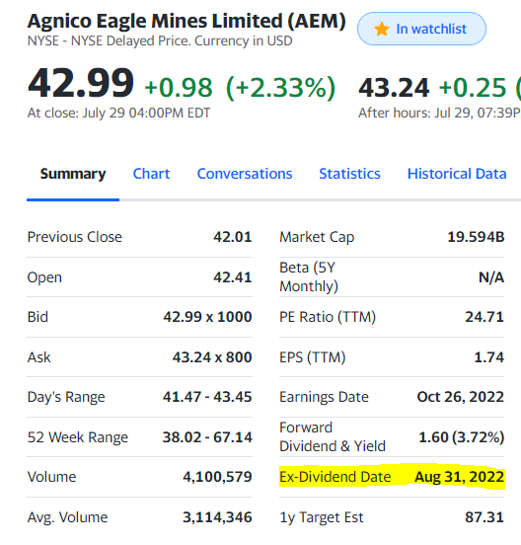
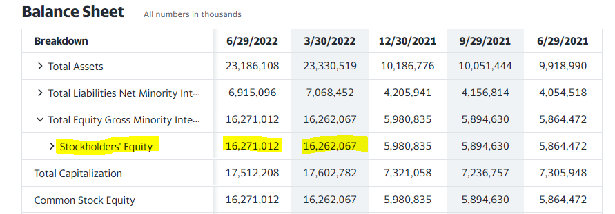

 |  |  |  | Cell AQ2, AR2, AT2, AU2, AV2, AW2, AX2, AY2
 |  |  |  | https://finance.yahoo.com/quote/AEM/financials?p=AEM
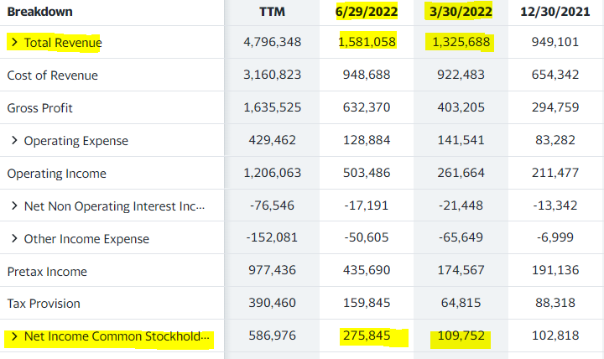

 |  |  |  |  |  |  |  |  |  | Cell BH2
 |  |  |  |  |  |  |  |  |  | https://finance.yahoo.com/quote/AEM/key-statistics?p=AEM

 | Cell R2
 | https://finance.yahoo.com/quote/AEM/key-statistics?p=AEM

